Sheet1
title | Attention Is All You Need
 | amazing title!!lol
author | Ashish Vaswani | Noam Shazeer | Niki Parmar | Jakob Uszkoreit | Llion Jones | Aidan N. Gomez | Łukasz Kaiser | Illia Polosukhin | Google Research | Google Brain | University of Toronto
abstract | sequence transduction | the I/O are all sequences
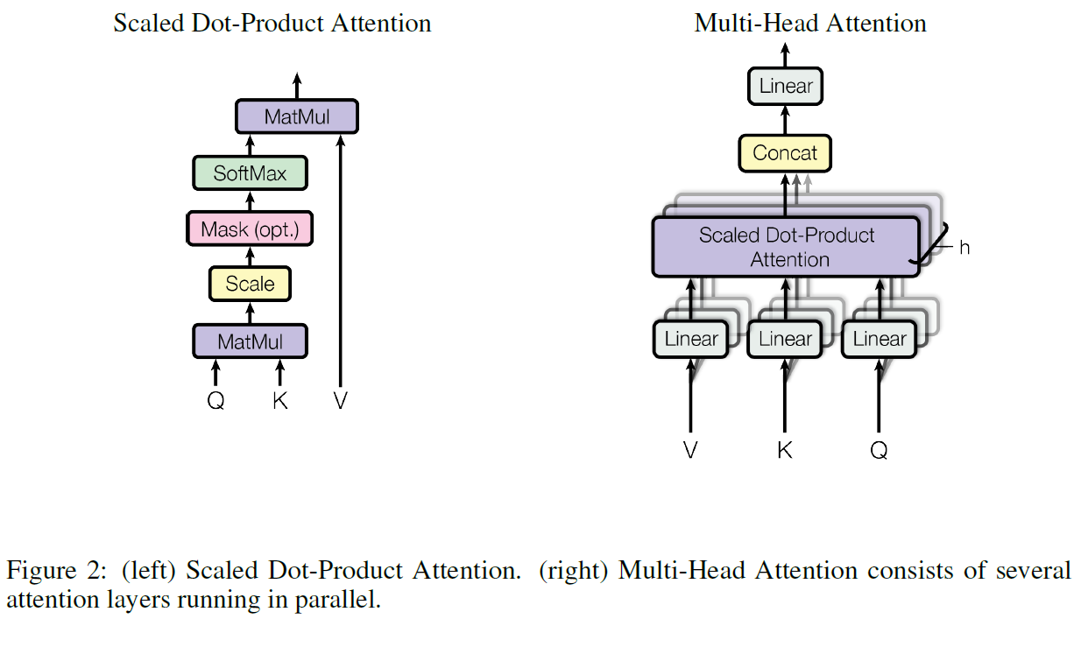
 |  | consist of encoder and decoder
 | based solely on attention mechanisms
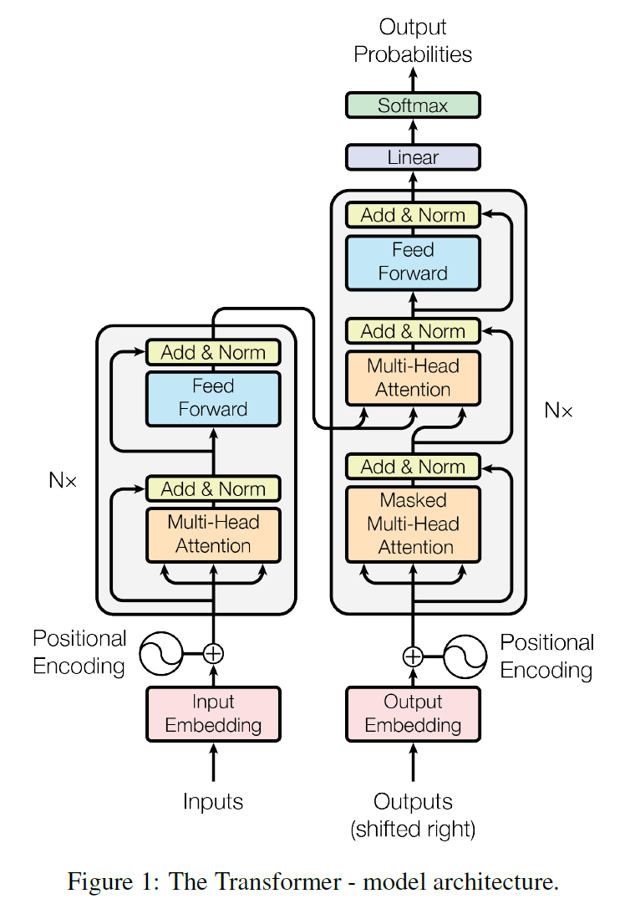
 | no convolution and recurrence
 | BLEU | a method for automatic evaluation of machine translation (accurancy)
introduction | at that time 2 main architectures are popular | language models
 |  | encoder-decoder | (structured data/IOstream)
background | example used CNN replace RNN | ByteNet and ConvS2S
 | multi-head attention
 | self-attention
 | end2end memory networks
model architectures | (most neworks) encoder-decoder structures | input: (x1,…,xn) | encoded: (z1,…,zn) | encoder can encode many elements of input vector at the same time
 | (also called auto-regressive architectures) | input: (x1,…,xn) | decoder: (y1,…,ym) | decoder only decode the result vector element one by one
 | transformer encoder has 2 sub-layers | multi-head-attention mechanism and (MLP) positionwise fully connected feed-forward network
 | N=6 | residual connection
 |  | layer normalization
 |  | the sub-layers, embedding layers and outputs of dimension are same d=512
 |  | Sublayer(x) = LayerNorm(x + Sublayer(x))
 | LayerNorm v.s. BatchNorm | BatchNorm (2D) | given a matrix batch*feature, normalize in every column of matrix to zero-mean-column matrix with variance 1
 |  |  | also learn 2 parameters λ and β, these parameters can normalize the matrix to any-mean matrix with any variance
 |  | LayerNorm (2D) | same with BatchNorm, but normalize by row
 |  | BatchNorm (3D) | given a 3D matrix seq (length) * feature (width) * batch (heigth), normalize every seq* batch
 |  | LayerNorm (3D) | same with BatchNorm, but normalize by seq * feature
 |  | LayerNorm can make global mean and variance not affected by the length of sample
 | transformer decoder has 3 sub-layers | masked-multi-head-attention mechanism, multi-head-attention mechanism and (MLP) positionwise fully connected feed-forward network
 | N=6 | residual connection
 |  | layer normalization
 | why masked? | because the principle of decoder is auto-regressive (AR), when at time T, the input elements from T to end should not be input, so masked them to ensure the principle
 | sub-layer1: attention | attention function can be described a query and a set of key-value pairs to an output
 |  | output is a weighted sum of the values
 |  | value is computed by a compatiblity function of the query with the corresponding key
 | scaled dot-product attention | query and key have same length dk
 |  | value have length dv
 |  | compatibility function: dot products of query with all keys, devide each by sqrt(dk), and apply a softmax function to get weighted value
 |  | Attention(Q, K, V) = softmax(QK'/sqrt(dk))V
 | why scaled? | when dk is not big enough, the dividing is not helpful, but when dk is big enough, the big value will closer to 1 and the small value closer to 0 after applying softmax function; or it can be explained as the variance of QK' is big
 | mask | in decoder, when at time T, define all input vector elements from T to end as a huge negative number (such as -1e10), make the elements after applying softmax function are 0
 | multi-head attention | project K, V and Q into lower dimensions (applying through some linear layers), then put the low-dimensions vector into h bolocks of scaled dot-product attention layers individually, and concat them together then applying through a linear layer to increase dimensions
 |  | network can learn project function with dataset K, V and Q
 |  | default h = 8
 | applications of attention in model | in encoder, self-attention K=Q=V
 |  | in decoder, non-self-attention Q=masked self-attention(K, Q, V), K, V = decoder(K, Q, V)
 |  | in decoder, masked self-attention K=Q=V, only dif is mask
 | position-wise feed-forward networks | FFN(x) = max(0, xW1 + b1) W2 + b2
 |  | W1: updimension 512 to 2048
 |  | W2: downdimension 2048 to 512
 | embeddings | input is tokens, project the token into a vector, which dimension equal to the dimension of model (512)
 |  | (hat) multiply the weights by sqrt(dmodel)
 | positional encoding | after embeddings, there is no time sequential info
 |  | positional encoding gives the vector time sequential info
why self-attention | parallelizable performance
 | not huge complexity per layer
 | low sequential operations
 | low maximum path length
traning | dataset1 | WMT 2014 English-German dataset
 |  | byte-pair encoding
 |  | shared source-target vocabulary about 37,000 tokens, the shared vocabulary is a shared weights between encoder and decoder, so they can use the same weights of embeddings (simplify training)
 | dataset2 | WMT 2014 English-French dataset
 |  | some details in paper
 | hardware and schedule | 8 NVIDIA P100 GPUs
 | Adam optimizer | β1 = 0.9
 |  | β2 = 0.98
 |  | E = 1e-9
 | regularization | residual dropout | p = 0.1
 |  | label smoothing | Els = 0.1 | a method to flatten the difficulty of the output value after using softmax closer to 1 or 0, for example, Els = 0.1 means that if output bigger than 0.1, we regard the result true
 |  |  |  | hurt perlxity, model learns to be more unsure, but improve acc and BLEU score
conclusion | replace the recurrent layers most commonly used in encoder-decoder architectures with multi-headed self-attention
 | faster

